Sheet1
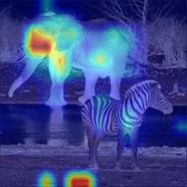
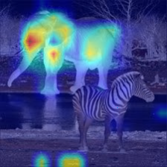
 |  | Attention Scores |  |  |  |  | To look at: | entropy 100; pred 10
 | Image name | max | mean | median | min | How to retrive (Logits, Probs, pred_loss) |  | Which is better? | mean | median
dog & parrot | 0000000001 | X | V | VV | VV | mean+ median: 1-3th in logits / probs min: perfect if using the 5-10th in logits / probs The difference between the logits values from 29 iter to 98 iter is 0.004
elephant & zebra | 0000000002 | Very focused | V | V | V | mean + min: very focused, if using the 4rd iter is good (difference of 2 points after the . median: logits
dog & cat | 0000000003 | V? | V? | VV | V | median: max prob (just the first one, others is not correlative) min: logits
elephants & zebras | 0000000004 | V | VV | V | VV in iter - prettiest | logits / probs/ loss: mixing top picture will benefit min(attn) - the prettiest in iter 23, the prob is pretty the same from the top, however 0.5 diff in logits from top
cat & dog | 0000000005 | V | V | ? | ? | max: logits/ probs/ loss mean: great, don't know how to retrive median: nice, don't know how to retrive
snake | 000000001 | ? | ? | ? | ?
dog | 00000003 | X | X | X | X
mousetrap | 00000009 | V | V | VV | VV | mean + median: difff of 0.15 in logits (no diff in probs) between iter 27 (mouse+ trap) & 125 (amazing) min: great at iter 27 (logits, loss, probs)
bird | 00000018 | V | V | VV | X
rottweiler | 00000327 | V | V | VV | V? | probs / loss is way better than the logits - graph logits is noisy, probs & loss are great
black dog | 00000082 | X | V | VV | V | median: probs/loss & logits good indication, different iters
tricycle | 00000069 | VV | VV | VV | VV | everyone: good but if taking iter 80 (0.2 less in logits and no change in probs) is much better
fish | 00000052 | V | V | VV | VV | median: to the perfect mask need to get iter 42 (0.1 less in logits, no change in probs)
close dog | 00000102 | SHOULD LOOK AT IT

